Technical table for steps
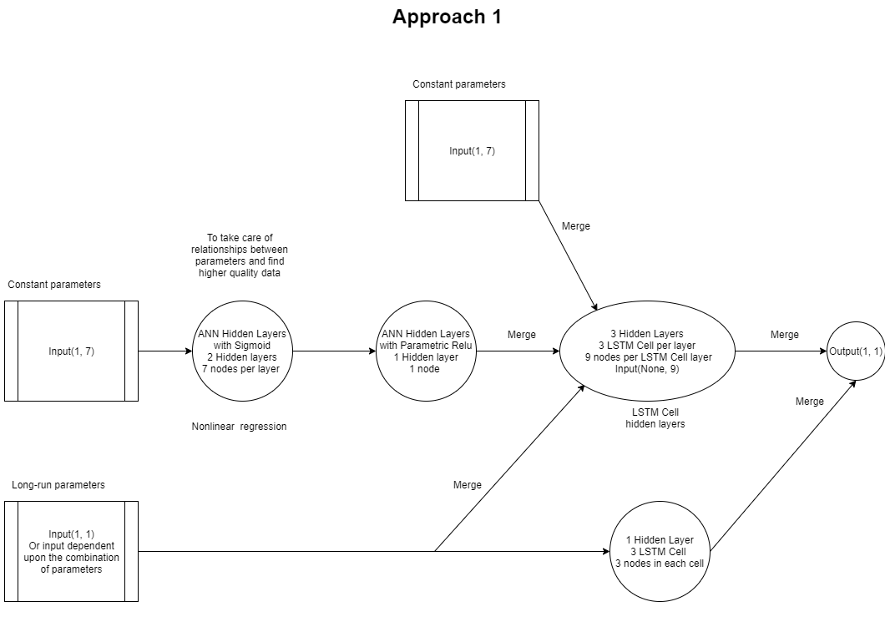
 | Main idea for each model: | Data format: | Preprocessing of data | Type of model inputs: | Type of NN model: | Loss Function: | Outputs:
Approach 1 | LSTM Cells that take the relationship between constant parameters, and the raw constant and long-run parameters. We will test the performance of each long-run parameter or a combination of parameters to study the effectiveness of the long-run parameters | Excel with one row vector for each time stamp | We will be using Numpy and Pandas to slice the data appropriately. Data preprocessing for the factors themselves is explained in "Factors and it's links" excel page. Only some variables will require preprocessing. | A vector of the parameters at each time step or a few vectors as a combination of the current and future time stamp. | Implement a custom made model made up of LSTM CELL nodes plus functional API's. | MAE and RMSE | Prediction of Economic growth for each time stamp.
Approach 2 | Use concatenation to study the related weights assigned to the time-dependent variables and how those weights change over time. If weights increases as there are more volatility in the economic growth across different time stamps, it shows that the parameter is important | Excel with one row vector for each time stamp | We will be using Numpy and Pandas to slice the data appropriately. Data preprocessing for the factors themselves is explained in "Factors and it's links" 2nd page. Only some variables will require preprocessing. | A vector of the parameters at each time step. | Implement a custom ANN model | MAE and RMSE | Prediction of Economic growth for each time stamp

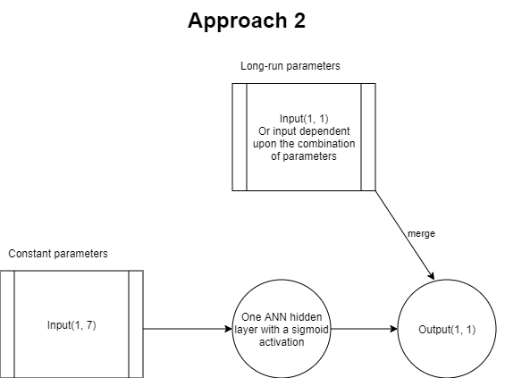
Approach 1 Model |  |  | Approach 2 Model

